ZADANIE
 |  | STUDENT REST-API FINAL PROJECT |  |  | 1.) Co potrebujem k tomu, aby som vedel(a) napisat testovacie scenare k zadaniu "verify dabatase table" 19:02
 |  |  |  |  | 2.) Na zaklade informacii navrhnite testovaci scenare/ testovacie scenare pomocou ktorych overite ukol "verify database table" 20:15
 |  |  |  |  | 3.) Otestujte zadanie "verify database table" 20:37
 |  |  |  |  | 4.) Co potrebujem k tomu, aby som vedel(a) napisat testovacie scenare k zadaniu "GET method" 18:20
 |  |  |  |  | 5.) Na zaklade informacii navrhnite testovaci scenare/ testovacie scenare pomocou ktorych overite ukol "GET method" 20:58
 |  |  |  |  | 6.) Otestujte zadanie "GET method" 18:25
 |  |  |  |  | 7.) Co potrebujem k tomu, aby som vedel(a) napisat testovacie scenare k zadaniu "DELETE method" 20:00
 |  |  |  |  | 8.) Na zaklade informacii navrhnite testovaci scenare/ testovacie scenare pomocou ktorych overite ukol "DELETE method" 20:52
 |  |  |  |  | 9.) Otestujte zadanie "DELETE method" 18:15
 |  |  |  |  | 10.) re-testujte a regresne otestujte metodu GET 19:30
 |  |  |  |  | 11.) Co potrebujem k tomu, aby som vedel(a) napisat testovacie scenare k zadaniu "POST method" 20:25
 |  |  |  |  | 12.) Na zaklade informacii navrhnite testovaci scenare/ testovacie scenare pomocou ktorych overite ukol "POST method" 19:53
 |  |  | databaze | qa_demo | 13.) Otestujte zadanie "POST method" 19:15
 | Skupina | breakout Room | host | aws.connect.psdb.cloud | 14.) re-testujte a regresne otestujte metodu DELETE 19:50
 | PPG | Room 1 |  |  | 15.) Pojem "exploratory testing". Skuste pomocou tejto metody testovacia otestovat zadane rest-api studentov 20:35
 | Kuracie nugetky | Room 8
 | Angry Birds | Room 7
 |  |  | table name: student
 |  |  | columns: id (bigInt), age (int), email (text), first_name (text), last_name (text)

 | GET
 | URL: http://database.stedro.com:8080/api/v1/students/<student_id>
 | SUCCESS: 200 OK JSON
 | { "id": database_student_id, "firstName":database_student_fist_name; "lastName": database_student_last_name; "email": database_student_email; "age": database_student_age; }
 | 404 not found | neexistujuci student

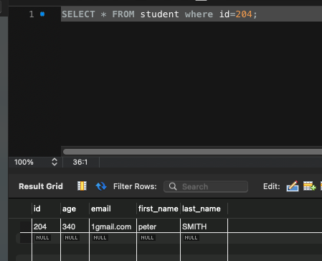
Test case | Get data about existing student
 | happy day scenar
Test data prep | id=204
 | age=340
 | email=1gmail.com
 | first_name=peter
 | last_name= SMITH
Steps | 1.) Send GET http://database.stedro.com:8080/api/v1/students/204
Expected result: | status code 200 OK
 | response JSON:
 | { "id": 204, "firstName": "peter", "lastName": "SMITH", "email": "1gmail.com", "age": 340 }

1.) Send GET http://database.stedro.com:8080/api/v1/students/peter
400 bad request
1.) Send GET http://database.stedro.com:8080/api/v1/students/AAA
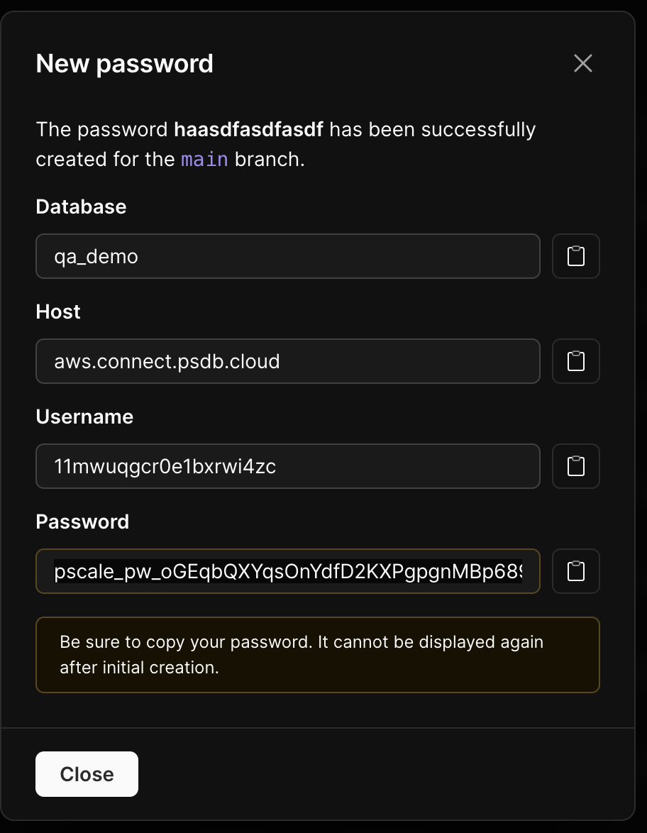
400 bad request

 | DELETE
 | URL: http://database.stedro.com:8080/api/v1/students/<student_id>
uspesne zmazanie studenta: | 200 OK.
 | v databaze neexistuje k danemu id ziadny zaznam (firstName,lastName,age,email)
nesprave id | 404 not found
BACKUP | 161-190

 | POST
 | URL: http://database.stedro.com:8080/api/v1/students/
 | { "firstName": "Peter", "lastName": "Vdany", "age":19, "email": "ter4@yourmail.com" } | v tele REQUESTU

 | ""firstName"":database_student_fist_name; ""lastName"": database_student_last_name; ""email"": database_student_email; ""age"": database_student_age;

 | uspesne zalozenie studenta:
 | 201 CREATED && odpoved:
 | { "id": 204, "firstName": "sasd", "lastName": "sdfsdf", "email"": "asd@asdasd.com", "age"": 12 } | RESPONSE BODY

 | - pravidla
 | 1.) vsetky atributy su povinne (firstName,lastName,email...) | 400 -> error, "lastName" is required
 | 2.) validace
 | firstName, lastName >=3 && <=20 | 400 -> error, "firstName" must be between 3 - 20 characters
 | email "*@*." | 400 -> error, email format must be as *@*.*
 | age >0 <120 | 400 -> age must be between 0 - 120
 | 3.) in database, lowerCase() rule is applied | NoVAK -> novak

 |  | NovAk34StUDENt@test.COM -> novak34student@test.com

Slniecka
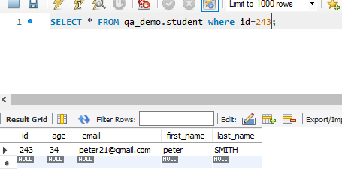
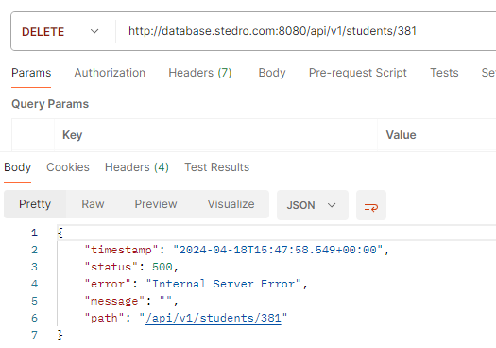
1.) Co potrebujem k tomu, aby som vedel(a) napisat testovacie scenare k zadaniu "verify dabatase table"
1. Pristup do DB , pristupove udaje na server, konkretny nastroj, cez ktory sa bude pristupovat do DB.
2.Nástroj na psaná testovaích scénářů - JIRA, etc.
3. Pristup k databázi
4. detaily od klienta - use case
5. Znalost základních příkazů v DB
6. Spoluprace a komunikacia v teame - brainstorming (typ testov, ake sa maju pouzit)

2.) Na zaklade informacii navrhnite testovaci scenare/ testovacie scenare pomocou ktorych overite ukol "verify database table"
table name: student
columns: id (bigInt), age (int), email (text), first_name (text), last_name (text)

TEST CASE - Verify database table
Description:
overenie struktury DB tabulky 'Student"
databaze: qa_demo
host: aws.connect.psdb.cloud

Step case:
1) otvorime zoznam tabulike pomocou prikazu "SHOW TABLES"
2) overime strukturu tabulky pomocou příkazu "Describe student"

Expected result:
zobrazi se vsechny tabulky a tabulka "student"
tabulka obsahuje pozadovane columnns a datove typy: id (bigInt), age (int), email (text), first_name (text), last_name (text),
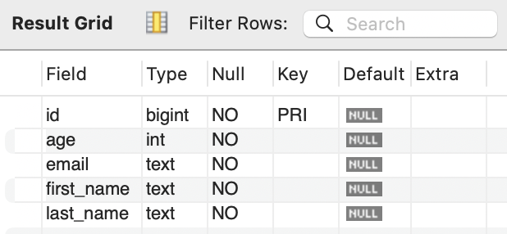

Actual result: | Pass
Zobrazila se tabulka "student"
Tabulka obsahuje údaje dle datových typů a požadovaných collumns

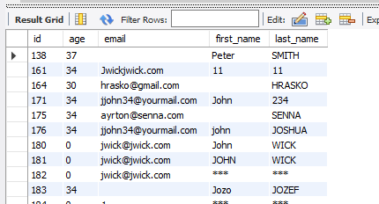

4.) Co potrebujem k tomu, aby som vedel(a) napisat testovacie scenare k zadaniu "GET method" 18:20
 | GET
- informace o tom jakou webovou stránku nebo aplikaci budeme testovat a znalost rozhraní API | URL: http://database.stedro.com:8080/api/v1/students/<student_id>
- nástroj (Postman) kterým budeme testovat metodu GET | SUCCESS: 200 OK JSON
- požadovaná data k otestování (data, co sa ma testovat uvedene ako docu v Swagger) | { "id": database_student_id, "firstName":database_student_fist_name; "lastName": database_student_last_name; "email": database_student_email; "age": database_student_age; }
- prístup k serveru - IP adresa, URL adresa
- detaily od klienta - očakávané vstup, user case, očekávaný výstup, očekávané chování
- požadované prostředí
- základní příkazy v nástroji k použití metody "GET"
- znalost HTTP status code a jejich případné testování
 | 404 not found | neexistujuci student


TEST CASES - metoda GET
1) Valid ID |  | 2) Invalid ID - non exist student |  | 3) Functional test - other case then valid ID |  | All data isn't filled in
Precondition: |  | Precondition:
Postman |  | Postman |  | Precondition: |  | Precondition:
URL: http://database.stedro.com:8080/api/v1/students/, ID studenta 176 |  | URL: http://database.stedro.com:8080/api/v1/students/, ID studenta 50 |  | Postman |  | Postman, URL: http://database.stedro.com:8080/api/v1/students/305
Test data prep: |  |  |  | URL: http://database.stedro.com:8080/api/v1/students/John |  | Test data prep:
id = 176 |  |  |  | Test data prep: |  | id=305
first_name: john |  |  |  | id=John |  | first_name= ;
last_name: JOSHUA |  |  |  |  |  | last_name: ;
email: jjohn34@yourmail.com |  |  |  |  |  | email: ;
age: 34 |  |  |  |  |  | age=37
Step case: |  | Step case: |  | Step case: |  | Step case:

1) Odešleme GET http://database.stedro.com:8080/api/v1/students/176 |  | 1) Odešleme GET http://database.stedro.com:8080/api/v1/students/50 |  | 1) Odešleme GET http://database.stedro.com:8080/api/v1/students/John |  | 1) Odešleme GET http://database.stedro.com:8080/api/v1/students/305

 |  |  |  |  |  | 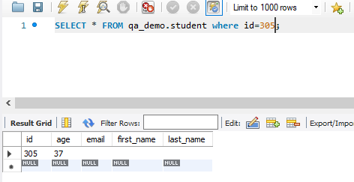
Expected result: |  | Expected result: |  | Expected result: |  | Expected result:
 |  |  |  |  |  | status code: 200 OK
status code: 200 OK |  | status code: 404 not found |  | status code: 400 bad request |  | response JSON:
response JSON: "{ ""id"": 176, ""firstName"":john; ""lastName"": JOSHUA; ""email"": jjohn34@yourmail.com; ""age"": 34; }" |  |  |  |  |  | "{ ""id"": 305, ""firstName"": ; ""lastName"": ; ""email"": ; ""age"": 37; }"

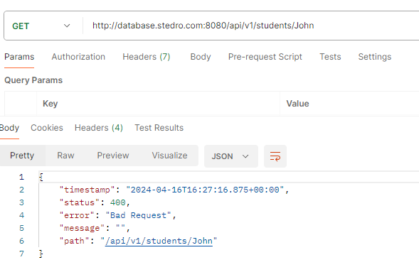
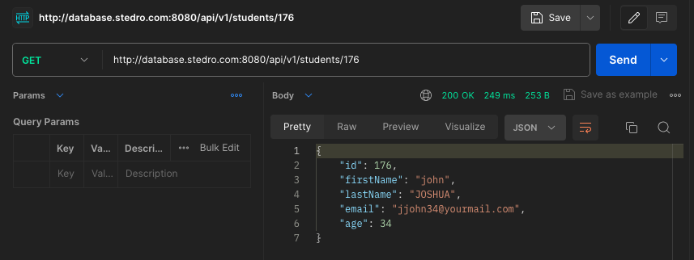
Actual result: | PASS | Actual result: | FAILED | Actual result: | PASS | Actual result: | PASS
Status code: 200 OK |  | status code: 500 |  | status code: 400 |  | status code: 200
response JSON: |  | response JSON: |  | response JSON: |  | response JSON:
 |  | { "timestamp": "2024-04-16T15:56:07.342+00:00", "status": 500, "error": "Internal Server Error", "message": "", "path": "/api/v1/students/50" } |  | { "timestamp": "2024-04-16T16:08:18.731+00:00", "status": 400, "error": "Bad Request", "message": "", "path": "/api/v1/students/John" } |  | { "id": 305, "firstName": "", "lastName": "", "email": "", "age": 37 }

 |  | Invalid ID- non exist student - BUG REPORT:
 |  | Browser: Chrome 123.xx.xx.xx +
 |  | Platform: Postman 10.24.22
 |  | Reported Date: 16/4/2024
 |  | OS: Windows 10 + MacOS 12.7.4 + MacOS 14.4.1 + MacOS 13.1
 |  | URL : http://database.stedro.com:8080/api/v1/students/50
 |  | Priority
 |  | Description
 |  | Steps to reproduce
 |  | Send GET method http://database.stedro.com:8080/api/v1/students/50

 |  | Expected result: HTTP status code 404
 |  | Actual result: HTTP status code 500
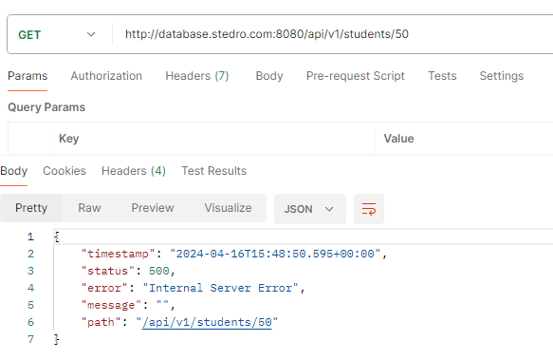

410-330
7.) Co potrebujem k tomu, aby som vedel(a) napisat testovacie scenare k zadaniu "DELETE method" 20:00

- prístup k serveru - IP adresa, Endpoint
- požadovaná data k otestování metodou DELETE (data, co sa ma testovat uvedene ako docu v Swagger)
- opravnění uživatelů k manipulaci s databází, aplikací nebo stránkou metodou DELETE
- detaily od klienta - use case, který zahrnuje strukturu přístupů (admin, uživatel, obchodník, vývojář apod.), co vše má metoda DELETE odstranit
- modifikace oprávnění (přístupy)
- záložní data
- nástroj k k použití metody DELETE (postman)
- HTTP status code

INTERVAL 410-330
Test case - metoda DELETE
1) Smazání existujícího studenta |  | 2) Neúspěšné smazání - neexistující ID |  | 3) Smazání databáze studentů |  | 4) Smazání studenta (jiné než ID)
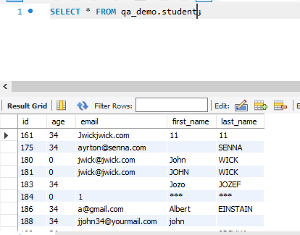
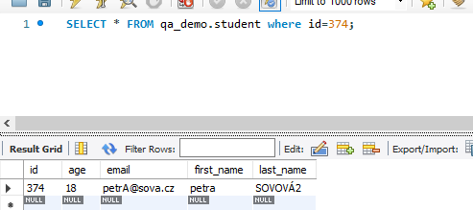
Precondition: |  | Precondition: |  | Precondition: |  | Precondition:
Postman, URL: http://database.stedro.com:8080/api/v1/students/374 |  | Postman, URL: http://database.stedro.com:8080/api/v1/students/381 |  | Postman, URL: http://database.stedro.com:8080/api/v1/students/ |  | Postman, URL: http://database.stedro.com:8080/api/v1/students/John
Test data prep: |  | Test data prep: |  | Test data prep: |  | Test data prep:
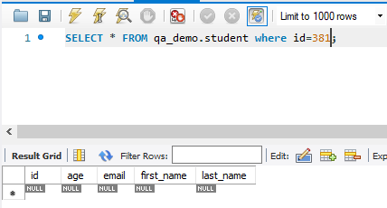
"{ ""id"": 374; ""firstName"": petra; ""lastName"": SOVOVÁ2; ""email"": petrA@sova.cz; ""age"": 18; }" |  | ""id"": 381; |  |  |  | ID = John

Step case: |  | Step case: |  | Step case: |  | Step case:
1) Odešleme DELETE http://database.stedro.com:8080/api/v1/students/374 |  | 1) Odešleme DELETE http://database.stedro.com:8080/api/v1/students/381 |  | 1) Odešleme DELETE http://database.stedro.com:8080/api/v1/students/ |  | 1) Odešleme DELETE http://database.stedro.com:8080/api/v1/students/John

Expected result: |  | Expected result: |  | Expected result: |  | Expected result:
Status code: 200 OK |  | Status code: 404 not found |  | Status code: 400 |  | Status code: 400 bad request
Prověření v MySQL "SELECT * FROM qa_demo.student where id=374;" ID studenta , zda opravdu neexistují údaje o studentovi

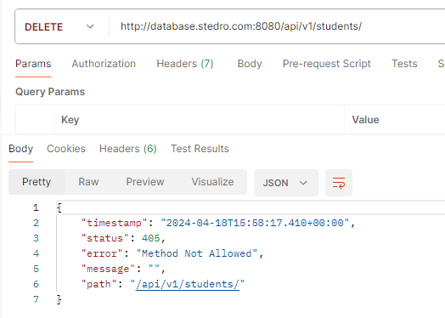
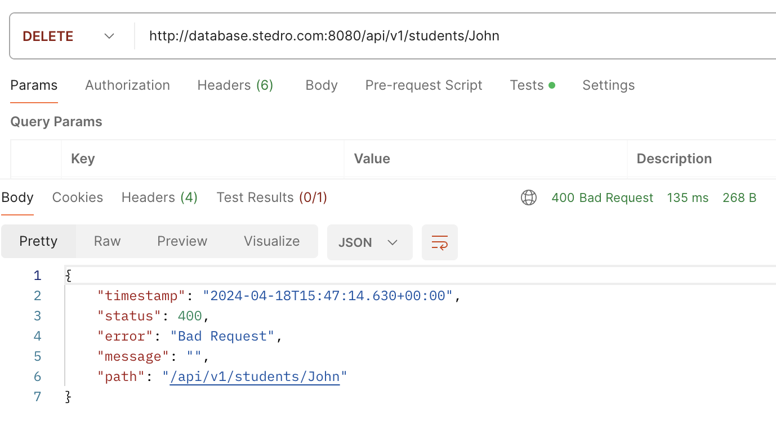
Actual result: | PASS | Actual result: | FAIL | Actual result: | FAIL | Actual result: | PASS
Status Code: 200 |  | Status code: 500 |  | Statud code: 405 |  | Status code: 400 - Bad request
MySQL "SELECT * FROM qa_demo.student where id=374;" ID studenta |  | Response JSON: |  | JSON:
 |  | { "timestamp": "2024-04-18T15:49:17.731+00:00", "status": 500, "error": "Internal Server Error", "message": "", "path": "/api/v1/students/381" } |  | { "timestamp": "2024-04-18T15:58:17.410+00:00", "status": 405, "error": "Method Not Allowed", "message": "", "path": "/api/v1/students/" }

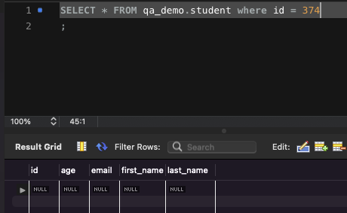

 |  | Non-existent ID - DELETE method - BUG REPORT: |  | Without ID - DELETE method - BUG REPORT:
 |  | Browser: Chrome 123.xx.xx.xx + |  | Browser: Chrome 123.xx.xx.xx +
 |  | Platform: Postman 10.24.22 |  | Platform: Postman 10.24.22
 |  | Reported date: 18/4/2024 |  | Reported date: 18/4/2024
 |  | OS: Windows 10 + MacOS 12.7.4 + MacOS 14.4.1 + MacOS 13.1 |  | OS: Windows 10 + MacOS 12.7.4 + MacOS 14.4.1 + MacOS 13.1
 |  | http://database.stedro.com:8080/api/v1/students/381 |  | http://database.stedro.com:8080/api/v1/students/
 |  | Priority |  | Priority: Medium
 |  | medium
 |  | Steps to reproduce |  | Steps to reproduce
 |  | Send metoda DELETE |  | Send metoda DELETE http://database.stedro.com:8080/api/v1/students/
 |  | http://database.stedro.com:8080/api/v1/students/381
 |  | Expected result: HTTP status code 404 not found |  | Expected result: HTTP status code 400 - Bad Request
 |  | Actual result: HTTP status code 500 internal server error |  | Actual result: HTTP status code 405 - Method Not Allowed

RE-TEST and REGRESS testing - metoda GET
Happy passing (validný ID) |  | Fail Test (nevalidné ID) |  | Bezpečnostní test (jiný dotaz než platné ID) |  | Nejsou vyplněné všechny údaje |  | Není zvolený student - bez ID
Precondition: |  | Precondition:
Postman |  | Postman |  | Precondition: |  | Precondition: |  | Precondition:
URL: http://database.stedro.com:8080/api/v1/students/, ID studenta 396 |  | URL: http://database.stedro.com:8080/api/v1/students/, ID studenta 50 |  | Postman |  | Postman, URL: http://database.stedro.com:8080/api/v1/students/305 |  | Postman, URL: http://database.stedro.com:8080/api/v1/students/
Test data prep: |  |  |  | URL: http://database.stedro.com:8080/api/v1/students/John |  | Test data prep: |  | Test data prep:
id = 396 |  |  |  | Test data prep: |  | id=305 |  | ÏD=null
first_name: Tef |  |  |  | id=John |  | first_name= ;
last_name: TESTSDF |  |  |  |  |  | last_name: ;
email: jjohn34@yourmail.com |  |  |  |  |  | email: ;
age: 34 |  |  |  |  |  | age=37
Test case: |  | Step case: |  | Step case: |  | Step case: |  | Step case:
 |  |  |  | 1) Odešleme GET http://database.stedro.com:8080/api/v1/students/John
1) Odešleme GET http://database.stedro.com:8080/api/v1/students/396 |  | 1) Odešleme GET http://database.stedro.com:8080/api/v1/students/50 |  |  |  | 1) Odešleme GET http://database.stedro.com:8080/api/v1/students/305 |  | 1) Odešleme GET http://database.stedro.com:8080/api/v1/students/

Expected result: |  | Expected result: |  | Expected result: |  | Expected result: |  | Expected result:
 |  |  |  |  |  | status code: 200 OK |  | Status code: 400 - bad request
status code: 200 OK |  | status code: 404 not found |  | status code: 400 bad request |  | response JSON:
response JSON: "{ ""id"": 396, ""firstName"":Tef; ""lastName"": TESTSDF; ""email"": jjohn34@yourmail.com; ""age"": 34; }" |  |  |  |  |  | 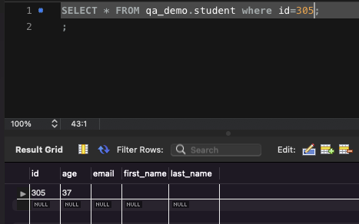 "{ ""id"": 305, ""firstName"": ; ""lastName"": ; ""email"": ; ""age"": 37; }"

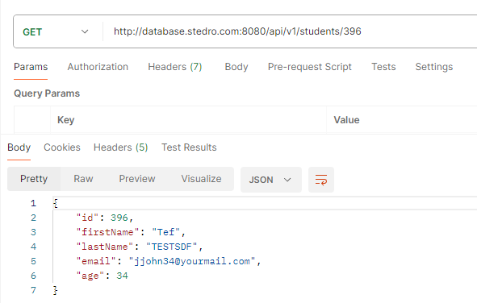
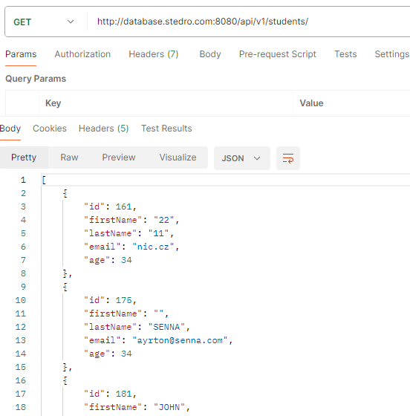
Actual result: | PASS | Actual result: | FAILED | Actual result: | PASS | Actual result: | PASS | Actual result: | FAILed
status code: 200 OK |  | status code: 500 internal sever error |  | status code: 400 bad request |  | Status code: 200 |  | Status code: 200
repsonse JSON: |  | response JSON: |  |  |  | response JSON: |  | JSON: zobrazí seznam všech studentů včetně jejich údajů
{ "id": 396, "firstName": "Tef", "lastName": "TESTSDF", "email": "jjohn34@yourmail.com", "age": 34 } |  | 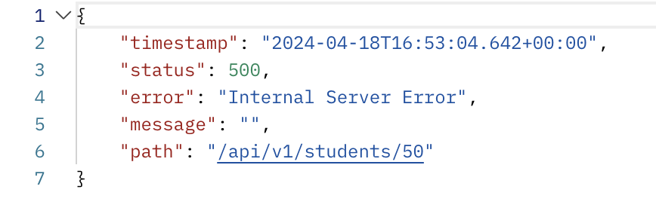 { "timestamp": "2024-04-18T17:03:40.544+00:00", "status": 500, "error": "Internal Server Error", "message": "", "path": "/api/v1/students/50" } |  | response JSON: |  | 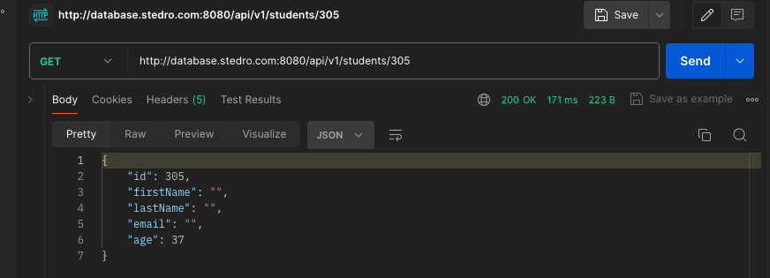 "{ ""id"": 305, ""firstName"": ; ""lastName"": ; ""email"": ; ""age"": 37; }"
 |  |  |  | 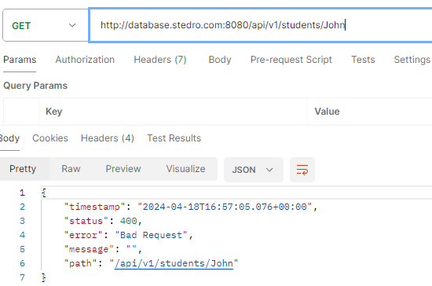 { "timestamp": "2024-04-18T16:57:05.076+00:00", "status": 400, "error": "Bad Request", "message": "", "path": "/api/v1/students/John" }

 |  | Invalid ID GET method - BUG REPORT:
 |  | Browser: Chrome 123.xx.xx.xx + |  |  |  |  |  | Without ID GET method - BUG REPORT:
 |  | Platform: Postman 10.24.22 |  |  |  |  |  | Browser: Chrome 123.xx.xx.xx +
 |  | Reported Date: 18/4/2024 |  |  |  |  |  | Platform: Postman 10.24.22
 |  | OS: Windows 10 + MacOS 12.7.4 + MacOS 14.4.1 + MacOS 13.1 |  |  |  |  |  | Reported Date: 18/4/2024
 |  | URL : http://database.stedro.com:8080/api/v1/students/50 |  |  |  |  |  | OS: Windows 10 + MacOS 12.7.4 + MacOS 14.4.1 + MacOS 13.1
 |  | Priority |  |  |  |  |  | URL : http://database.stedro.com:8080/api/v1/students/
 |  | Description |  |  |  |  |  | Priority
 |  | Steps to reproduce |  |  |  |  |  | Description
 |  | Send GET method http://database.stedro.com:8080/api/v1/students/50 |  |  |  |  |  | Steps to reproduce
 |  |  |  |  |  |  |  | Send GET method http://database.stedro.com:8080/api/v1/students/
 |  | Expected result: HTTP status code 404
 |  | Actual result: HTTP status code 500 - Internal server error |  |  |  |  |  | Expected result: HTTP status code 400 - bad request
 |  |  |  |  |  |  |  | Actual result: HTTP status code 200 - OK

11.) Co potrebujem k tomu, aby som vedel(a) napisat testovacie scenare k zadaniu "POST method"

- prístup k serveru - IP adresa, Endpoint
- detaily od klienta - use case , funkcionality metody POST (vstupní data - identifikace a formát,, oprávnění uživatelů, výstupní data, struktura DB)
- zalozne data
- modifikace přístupu uživatelů
- HTTP status code
- bezpečnost - chybně zadaná vstupní data (datový typ, duplicity a jiné)
- požadovaná data k otestování (data, co sa ma testovat uvedene ako docu v Swagger)
- Komunikacia s dalsimi clenmi timu (product owner, devOP) - brainstorming
- nástroj (Postman) kterým budeme testovat metodu POST

TEST CASES - metoda POST
1) First name under 3 letters, missing "last name", invalid email and lowerCase |  | 2) Invalid age student <0 | 3) Succesful data post + lowerCase rule | 4) Invalid age student >120 | 5) Invalid age student (other then numbers) | 6) Last_name under 3 characters and First_name over 20 letters | 7) First name without alphabets | 8) Last_name over 20 characters
First name under 3 letters, missing "last name", invalid email and lowerCase
Precondition: |  | Precondition: | Precondition: | Precondition: | Precondition: | Precondition: | Precondition: | Precondition:
Postman, URL: http://database.stedro.com:8080/api/v1/students/ |  | Postman, URL: http://database.stedro.com:8080/api/v1/students/ | Postman, URL: http://database.stedro.com:8080/api/v1/students/ | Postman, URL: http://database.stedro.com:8080/api/v1/students/ | Postman, URL: http://database.stedro.com:8080/api/v1/students/ | Postman, URL: http://database.stedro.com:8080/api/v1/students/ | Postman, URL: http://database.stedro.com:8080/api/v1/students/ | Postman, URL: http://database.stedro.com:8080/api/v1/students/
Test data prep: |  | Test data prep: | Test data prep: | Test data prep: | Test data prep: | Test data prep: | Test data prep: | Test data prep:
JSON: |  | JSON: | { "firstName": "John", "lastName": "Doee", "age":34, "email": "jjohn@doee.com" } |  |  | JSON data: | JSON data:
{ "firstName": "IN", "lastName": "", "age":8, "email": "kovac.mail.com" } |  | { "firstName": "Carl", "lastName": "Abraham", "age":-5, "email": "abraham@gmail.com" } |  | first_name: Carl | first_name: Karel | first_name: tomaspetrhonzapavelivan; | first_name: 6541916 | first_name: Veronika
 |  |  |  | last_name: Abrah | last_name: Abraka | last_name: R | last_name: Carl | last_name: BjkkdkajkdjkIidDIDOJFODIJkdjfkdjkkafkd
 |  |  |  | email: abra@gmail.com | email: abraka@gmail.com | email:romanab@grmail.com | email: asdasd@mail.com | email:Veronika123@grmail.com
 |  |  |  | age: 140 | age: abc | age: 30 | age: 9; | age: 48

Step case: |  | Step case: | Step case: | Step case: | Step case: | Step case: | Step case: | Step case:
Odešleme POST: |  |  | 1) Odešleme POST http://database.stedro.com:8080/api/v1/students/ s JSON s vyplněnými daty: |  |  | 1) Odešleme POST http://database.stedro.com:8080/api/v1/students/ s JSON data | Odešleme POST: | 1) Odešleme POST http://database.stedro.com:8080/api/v1/students/ s JSON datami
http://database.stedro.com:8080/api/v1/students/ |  | 1) Odešleme POST http://database.stedro.com:8080/api/v1/students/ s JSON daty: | 2) ověření validace mySQLWorkbench: SELECT * from student WHERE first_name="john" AND last_name="doee" AND email="jjohn@doee.com" AND age="34" ; | 1) Odešleme POST http://database.stedro.com:8080/api/v1/students/ s JSON daty: | 1) Odešleme POST http://database.stedro.com:8080/api/v1/students/ s JSON daty: |  | http://database.stedro.com:8080/api/v1/students/
 |  |  |  |  |  |  | s JSON daty
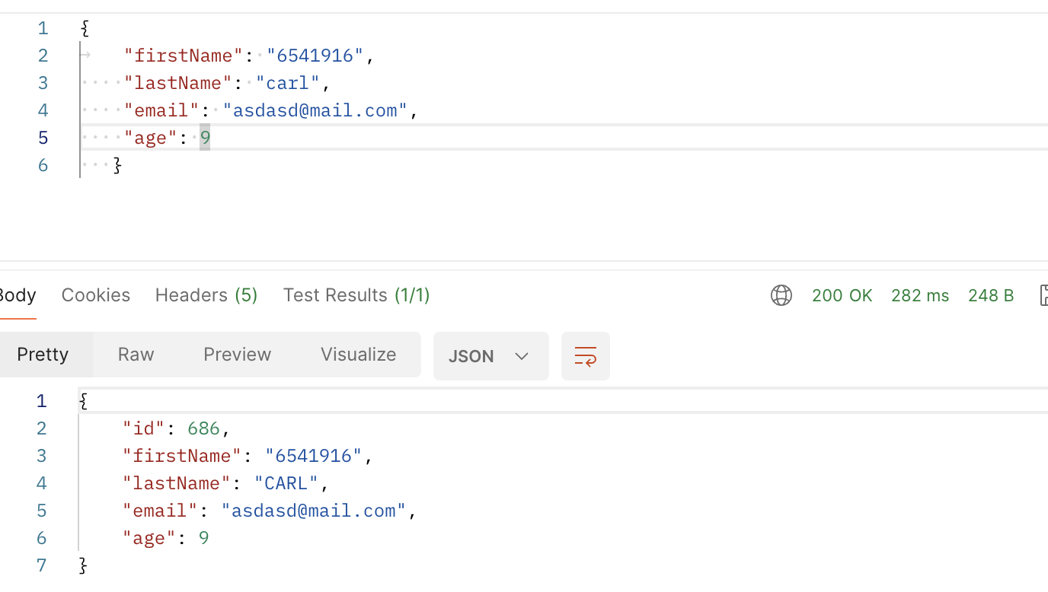
Expected result: |  | Expected result: | Expected result: | Expected result: | Expected result: | Expected result: | Expected result: | Expected result:
Status code: 400 bad request |  | Status code: 400 -> age must be between 0 - 120 | Status code: 201 CREATED | Status code: 400 -> age must be between 0 - 120 | Status code: 400 -> age must be between 0 - 120 | Status code: 400 bad request | Status code: 400 bad request | Status code: 400 bad request
- bad request, error, "lastName" is required |  |  |  |  |  | "last name" must be between 3 - 20 characters |  | "last name" must be between 3 - 20 characters
- error, email format must be as *@*.* |  |  | "{ ""id"newIdCreated": , ""firstName"": ""john"", ""lastName"": ""doee"", ""email"": ""jjohn@doee.com"", ""age"": 34 }" |  |  | "firstName" must be between 3 - 20 characters
- error, "firstName" must be between 3 - 20 characters
Ověřit v databázi Firstname a LastName - Lowercase rule |  |  | 2) Data succesfully posted in lower case rule

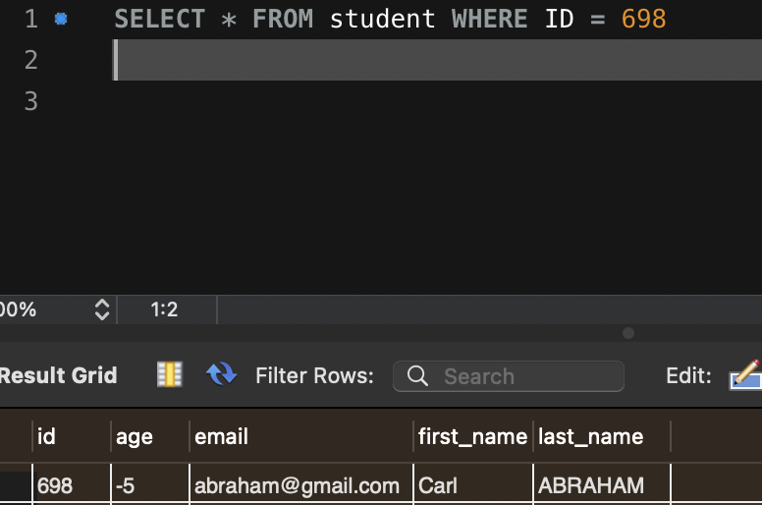
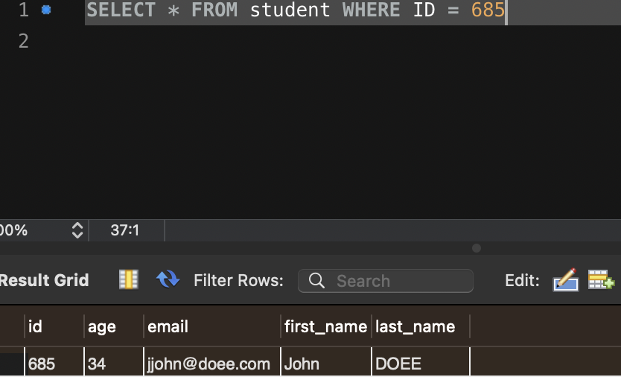
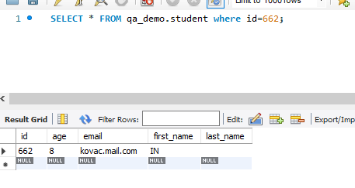
Actual result: FAIL |  | Actual result: FAIL | Actual result: FAIL | Actual result: FAIL | Actual result: FAIL | Actual result: FAIL | Actual result: FAIL | Actual result: FAIL
Status code: 200 OK, student vytvořený ale bez lowerCase |  | 200 OK | Status code: 200 OK | Status code: 200 OK - student vytviřen | Status code: 400, without message "age must be between 0 - 120" | Status code: 200 OK - student vytvořen | Status code: 200, nový student vytvořen | Status code: 200, nový student vytvořen
Response JSON: |  | JSON resoonse: | JSON response: | Response JSON: |  | Response JSON: | Response JSON: | Response JSON:
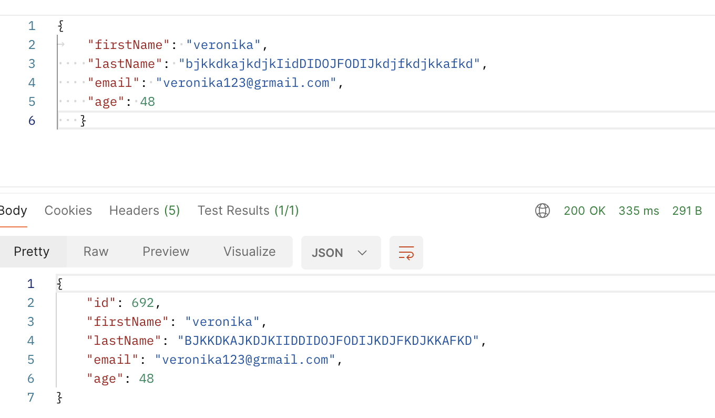
{ "id": 662, "firstName": "IN", "lastName": "", "email": "kovac.mail.com", "age": 8 } |  | { | "{ "id": 685": , "firstName"": "John", "lastName"": "DOEE", "email"": "jjohn@doee.com", "age"": 34 }" | { "id": 673, "firstName": "Carl", "lastName": "ABRAH", "email": "abra@gmaill.com", "age": 140 } |  | { "id": 674, "firstName": "tomaspetrhonzapavelivan", "lastName": "R", "email": "romanab@grmail.com", "age": 30 }
 |  | "id": 698,
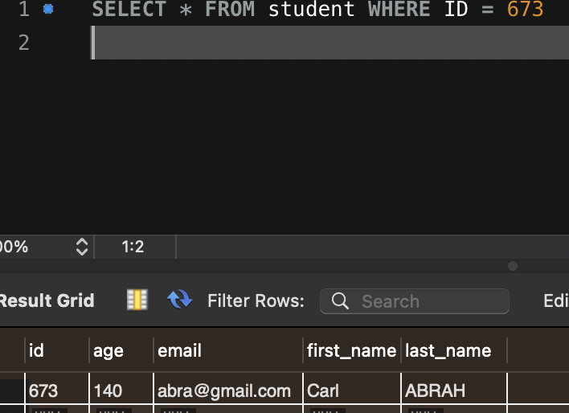
 |  | "firstName": "Carl", | Data posted succesfully, but lowerCase rule not applied.
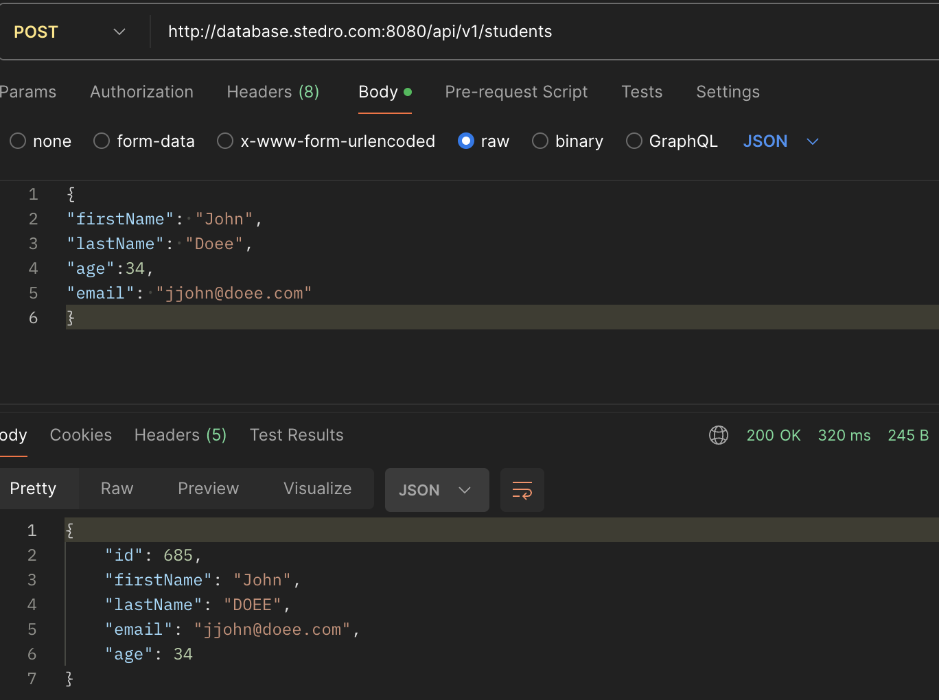
 |  | "lastName": "ABRAHAM",
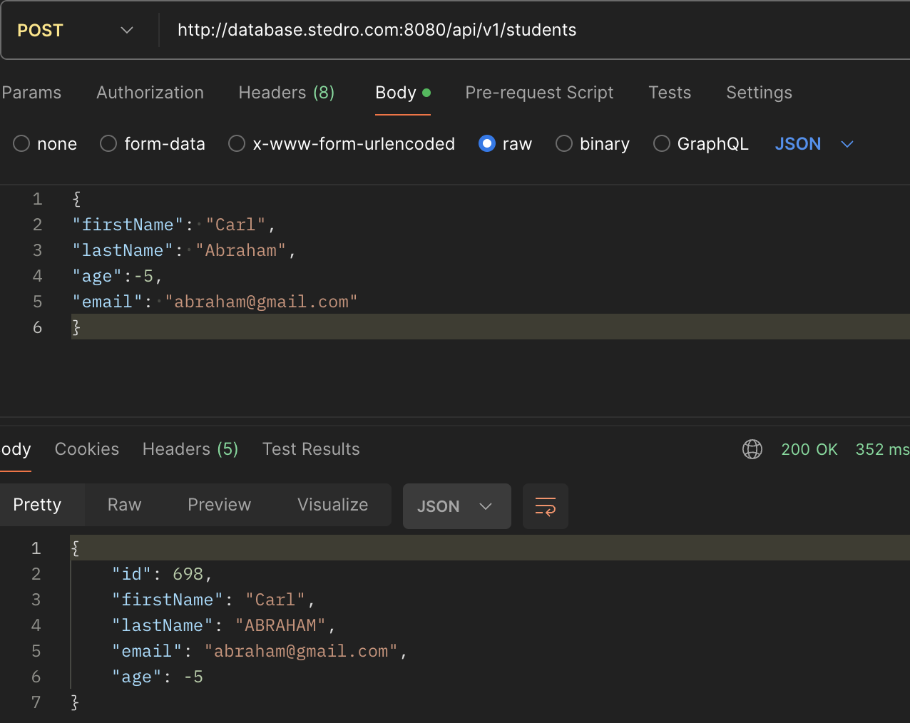
 |  | "email": "abraham@gmail.com",
 |  | "age": -5
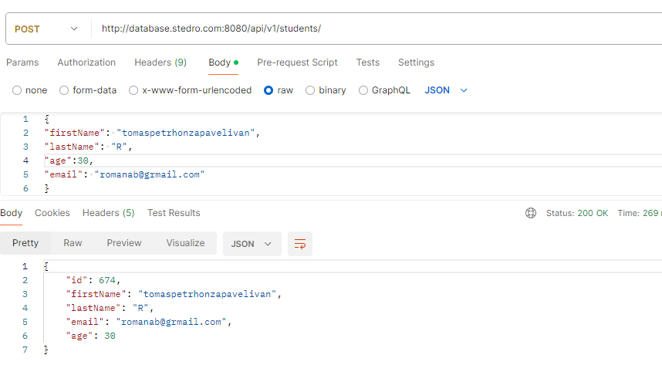
 |  | }

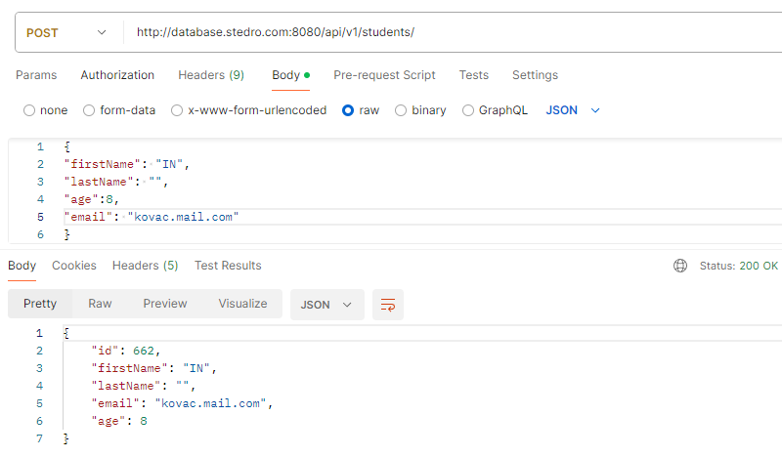
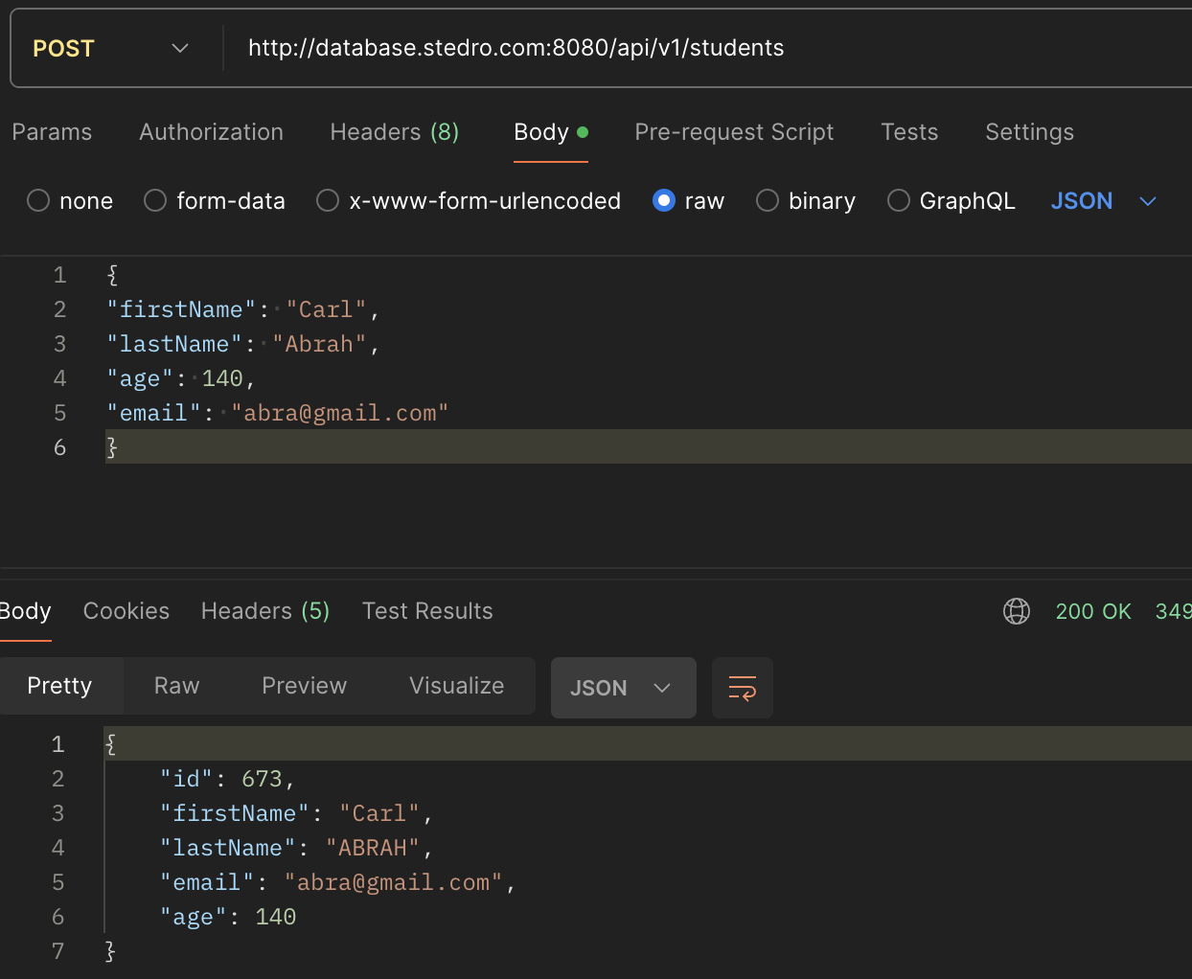

First name under 3 letters, missing "last name", invalid email and lowerCase POST method - BUG REPORT: |  | Invalid age student <0 POST method - BUG REPORT: | Succesful data POST method - BUG REPORT: | Invalid age student >120 POST method - BUG REPORT: | Invalid age student (other then numbers) POST method - BUG REPORT: | Last_name under 3 characters and First_name over 20 letters POST method - BUG REPORT: | 7) First name without alphabet - POST method - BUG REPORT: | 8) Last name over 20 characteristics - POST method - BUG REPORT:
Browser: Chrome 123.xx.xx.xx + |  | Browser: Chrome 123.xx.xx.xx + | Browser: Chrome 123.xx.xx.xx + | Browser: Chrome 123.xx.xx.xx + | Browser: Chrome 123.xx.xx.xx + | Browser: Chrome 123.xx.xx.xx + | Browser: Chrome 123.xx.xx.xx + | Browser: Chrome 123.xx.xx.xx +
Platform: Postman 10.24.22 |  | Platform: Postman 10.24.22 | Platform: Postman 10.24.22 | Platform: Postman 10.24.22 | Platform: Postman 10.24.22 | Platform: Postman 10.24.22 | Platform: Postman 10.24.22 | Platform: Postman 10.24.22
Reported Date: 22/4/2024 |  | Reported Date: 22/4/2024 | Reported Date: 22/4/2024 | Reported Date: 22/4/2024 | Reported Date: 22/4/2024 | Reported Date: 22/4/2024 | Reported Date: 22/4/2024 | Reported Date: 22/4/2024
OS: Windows 10 + MacOS 12.7.4 + MacOS 14.4.1 + MacOS 13.1 |  | OS: Windows 10 + MacOS 12.7.4 + MacOS 14.4.1 + MacOS 13.1 | OS: Windows 10 + MacOS 12.7.4 + MacOS 14.4.1 + MacOS 13.1 | OS: Windows 10 + MacOS 12.7.4 + MacOS 14.4.1 + MacOS 13.1 | OS: Windows 10 + MacOS 12.7.4 + MacOS 14.4.1 + MacOS 13.1 | OS: Windows 10 + MacOS 12.7.4 + MacOS 14.4.1 + MacOS 13.1 | OS: Windows 10 + MacOS 12.7.4 + MacOS 14.4.1 + MacOS 13.1 | OS: Windows 10 + MacOS 12.7.4 + MacOS 14.4.1 + MacOS 13.1
URL : http://database.stedro.com:8080/api/v1/students/50 |  | URL : http://database.stedro.com:8080/api/v1/students/50 | URL : http://database.stedro.com:8080/api/v1/students/50 | URL : http://database.stedro.com:8080/api/v1/students/50 | URL : http://database.stedro.com:8080/api/v1/students/50 | URL : http://database.stedro.com:8080/api/v1/students/50 | URL : http://database.stedro.com:8080/api/v1/students/ | URL : http://database.stedro.com:8080/api/v1/students/
Priority |  | Priority | Priority | Priority | Priority | Priority | Priority | Priority
Description |  | Description | Description | Description | Description | Description | Description | Description
Steps to reproduce |  | Steps to reproduce | Steps to reproduce | Steps to reproduce | Steps to reproduce | Steps to reproduce | Steps to reproduce | Steps to reproduce
Send POST method http://database.stedro.com:8080/api/v1/students/ |  | Send POST method http://database.stedro.com:8080/api/v1/students/ | Send POST method http://database.stedro.com:8080/api/v1/students/ | Send POST method http://database.stedro.com:8080/api/v1/students/ | Send POST method http://database.stedro.com:8080/api/v1/students/ | Send POST method http://database.stedro.com:8080/api/v1/students/ | Send POST method http://database.stedro.com:8080/api/v1/students/ | Send POST method http://database.stedro.com:8080/api/v1/students/
 |  | with JSON data: | with JSON : | with JSON : | with JSON: | with JSON: | with JSON: | with JSON:
"{ ""firstName"": ""IN"", ""lastName"": """", ""age"":8, ""email"": ""kovac.mail.com"" }" |  | { "firstName": "Carl", "lastName": "Abraham", "age":-5, "email": "abraham@gmail.com" } | { "firstName": "John", "lastName": "Doee", "age":34, "email": "jjohn@doee.com" } | { "firstName": "Carl", "lastName": "Abrah", "email": "abra@gmail.com", "age": 140 } | { "firstName": "Karel", "lastName": "Abraka", "email": "abraka@gmail.com", "age": abc } | { "firstName": "tomaspetrhonzapavelivan", "lastName": "R", "email": "romanab@grmail.com", "age": 30 } | { "firstName": "6541916", "lastName": "CARL", "email": "asdasd@mail.com", "age": 9 } | { "firstName": "Veronika", "lastName": "BjkkdkajkdjkIidDIDOJFODIJkdjfkdjkkafkd", "email": "Veronika123@grmail.com", "age": 48 }
Expected result: HTTP status code 400 - bad request, error, "lastName" is required - error, email format must be as *@*.* - error, "firstName" must be between 3 - 20 characters |  | Expected result: HTTP Status code: 400 -> age must be between 0 - 120 | Expected result: HTTP Status code: 201 - created student | Expected result: HTTP Status code: 400 -> age must be between 0 - 120 | Expected result: HTTP Status code: 400 -> age must be between 0 - 120 | Expected result: HTTP Status code: 400 -> age must be between 0 - 120 | Expected result: HTTP status code 400 - bad request, "firstName" should be alphabet, but takes numbers | Expected result: HTTP status code 400 - bad request, "last name" must be between 3 - 20 characters
Actual result: HTTP status code 200 OK |  | Actual result: HTTP status code 200 OK | Actual result: HTTP status code 200 OK | Actual result: HTTP status code 200 OK | Actual result: HTTP status code 400 - without message "age must be between 0 - 120" | Actual result: HTTP status code 200 OK | Actual result: HTTP status code 200 OK | Actual result: HTTP status code 200 OK
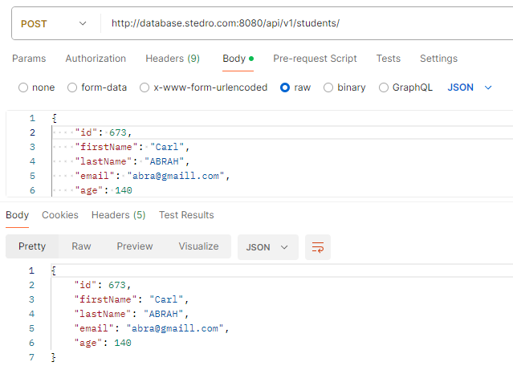
 |  |  | "{ "id": 685": , "firstName"": "John", "lastName"": "DOEE", "email"": "jjohn@doee.com", "age"": 34 }"

RE-TEST and REGRESS testing - metoda DELETE
1) Smazání existujícího studenta

Precondition:
Postman, URL: http://database.stedro.com:8080/api/v1/students/677
Test data prep:
{ ""id"": 677; ""firstName"": John; ""lastName"": DDOE; ""email"": jjohn@ddoe.com; ""age"": 34; }

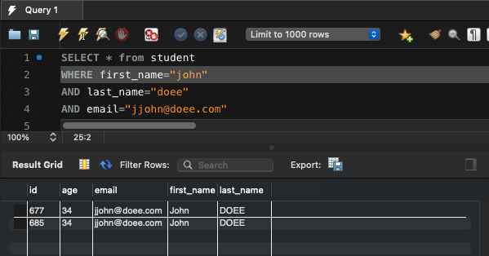
Step case: |  | Expected result: |  |  |  |  | Actual result: | PASS
1) Prověření v MySQL "SELECT * FROM qa_demo.student where id=677;" ID studenta , zda existuje |  | 1) Student existuje v databázi |  |  |  |  | 1) Student existuje v databázi

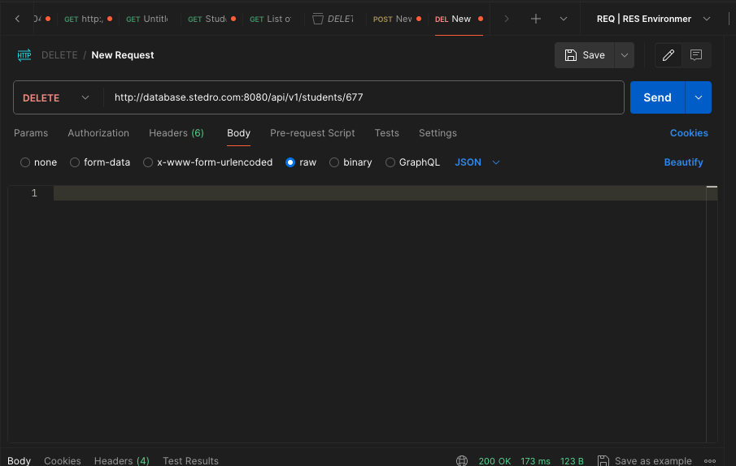
 |  |  |  |  |  |  | 2) Status Code: 200 OK
2) Odešleme DELETE http://database.stedro.com:8080/api/v1/students/677 |  | 2) Status code: 200 OK |  |  |  |  | MySQL "SELECT * FROM qa_demo.student where id=677;" ID studenta

3) Prověření v MySQL "SELECT * FROM qa_demo.student where id=677;" ID studenta , zda byl vymazán
 |  | 3) Student byl vymazán |  |  |  |  | 3) Student byl vymazán
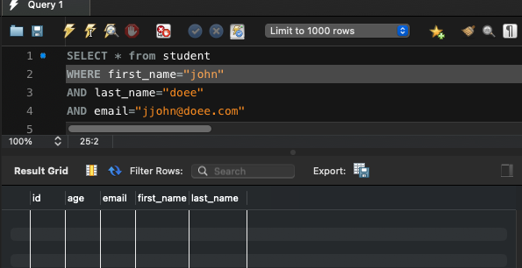

2) Neúspěšné smazání - neexistující ID |  |  |  |  |  |  |  |  |  | Non-existent ID - DELETE method - BUG REPORT:
 |  |  |  |  |  |  |  |  |  | Browser: Chrome 123.xx.xx.xx +
Precondition: |  |  |  |  |  |  |  |  |  | Platform: Postman 10.24.22
Postman, URL: http://database.stedro.com:8080/api/v1/students/381 |  |  |  |  |  |  |  |  |  | Reported date: 23/4/2024
Test data prep: |  |  |  |  |  |  |  |  |  | OS: Windows 10 + MacOS 12.7.4 + MacOS 14.4.1 + MacOS 13.1
""id"": 381; |  |  |  |  |  |  |  |  |  | http://database.stedro.com:8080/api/v1/students/381
 |  |  |  |  |  |  |  |  |  | Priority
 |  |  |  |  |  |  |  |  |  | medium
 |  |  |  |  |  |  |  |  |  | Steps to reproduce
 |  |  |  |  |  |  |  |  |  | Send metoda DELETE
Step case: |  | Expected result: |  |  |  |  | Actual result: | FAIL |  | http://database.stedro.com:8080/api/v1/students/381
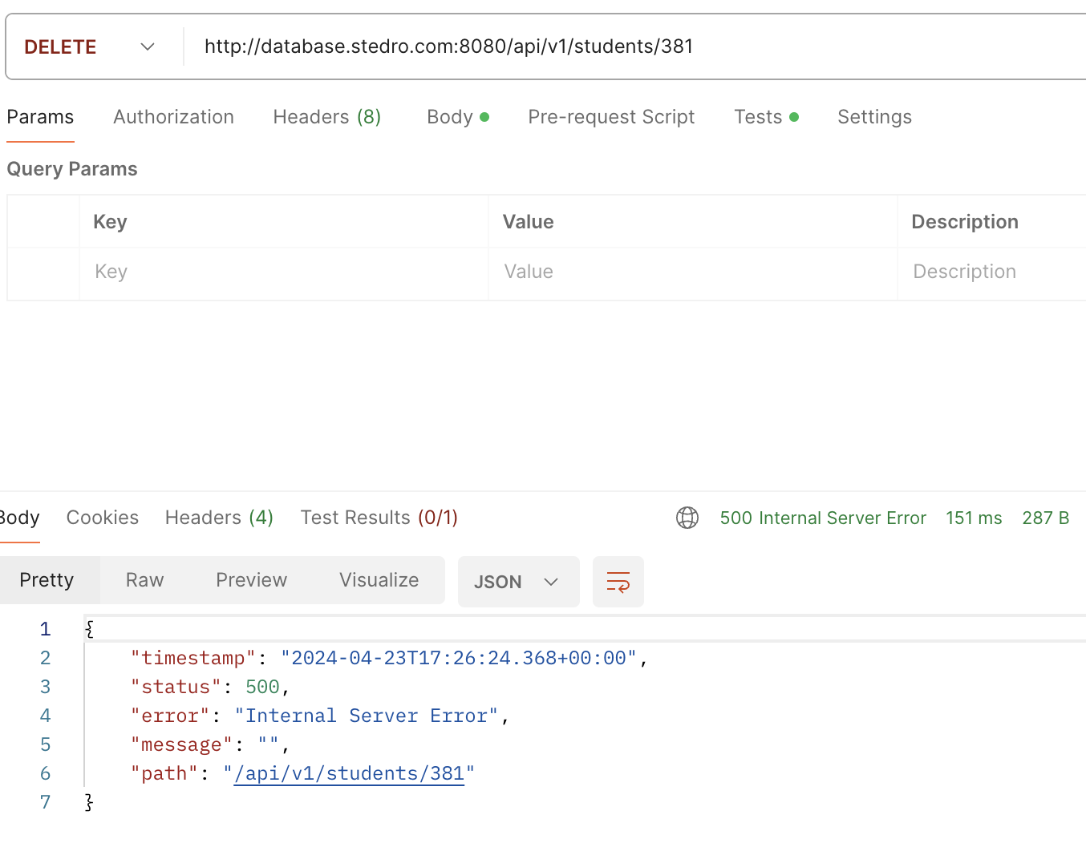
1) Odešleme DELETE http://database.stedro.com:8080/api/v1/students/381 |  | Status code: 404 not found |  |  |  |  | Status code: 500 |  |  | Expected result: HTTP status code 404 not found
 |  |  |  |  |  |  | Response JSON: |  |  | Actual result: HTTP status code 500 internal server error
 |  |  |  |  |  |  | { "timestamp": "2024-04-23T17:26:24.368+00:00", "status": 500, "error": "Internal Server Error", "message": "", "path": "/api/v1/students/381" }

3) Smazání databáze studentů

Precondition:
Postman, URL: http://database.stedro.com:8080/api/v1/students/
Test data prep: |  |  |  |  |  |  |  |  |  | Smazání databáze studentů- DELETE method - BUG REPORT:
 |  |  |  |  |  |  |  |  |  | Browser: Chrome 123.xx.xx.xx +
 |  |  |  |  |  |  |  |  |  | Platform: Postman 10.24.22
 |  |  |  |  |  |  |  |  |  | Reported date: 23/4/2024
 |  |  |  |  |  |  |  |  |  | OS: Windows 10 + MacOS 12.7.4 + MacOS 14.4.1 + MacOS 13.1
 |  |  |  |  |  |  |  |  |  | http://database.stedro.com:8080/api/v1/students/
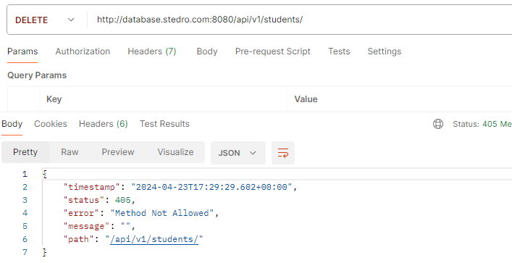
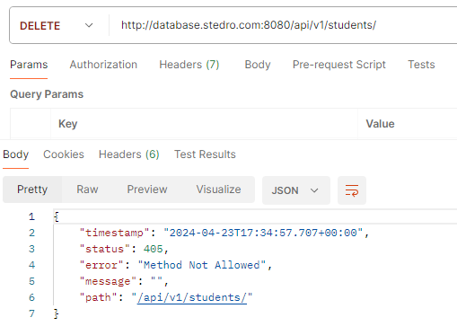
Step case: |  | Expected result: |  |  |  |  | Actual result: | FAIL |  | Priority
1) Odešleme DELETE http://database.stedro.com:8080/api/v1/students/ |  | Status code: 400 |  |  |  |  | Statud code: 405 |  |  | medium
 |  |  |  |  |  |  | JSON: |  |  | Steps to reproduce
 |  |  |  |  |  |  | { "timestamp": "2024-04-23T17:29:29.602+00:00", "status": 405, "error": "Method Not Allowed", "message": "", "path": "/api/v1/students/" } |  |  | Send metoda DELETE
 |  |  |  |  |  |  |  |  |  | http://database.stedro.com:8080/api/v1/students/
 |  |  |  |  |  |  |  |  |  | Expected result: HTTP status code 400
 |  |  |  |  |  |  |  |  |  | Actual result: HTTP status code 405 - Method not Allowed

4) Smazání studenta (jiné než ID)

Precondition:
Postman, URL: http://database.stedro.com:8080/api/v1/students/John
Test data prep:
ID = John

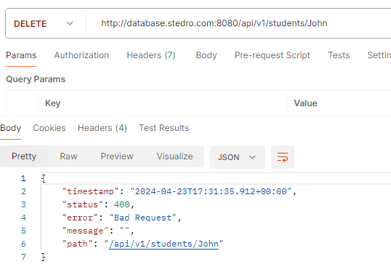
Step case: |  | Expected result: |  |  |  |  | Actual result: | PASS
1) Odešleme DELETE http://database.stedro.com:8080/api/v1/students/John |  | Status code: 400 bad request |  |  |  |  | Status code: 400 bad request

15.) Pojem "exploratory testing". Skuste pomocou tejto metody testovacia otestovat zadane rest-api studentov 20:35

Exploratory testing:
Provedení a záznam testů, které nejsou předem určeny (nejsou určeny podmínky). Vykonání testů dynamické.

1. Zkoušíme přes příkaz PATCH přidat/upravit data v databázi |  |  | 2. Zkoušíme přes příkaz PUT přidat/upravit data v databázi |  |  |  |  | 3. Zkoušíme přes příkaz POST přidat/upravit data v databázi

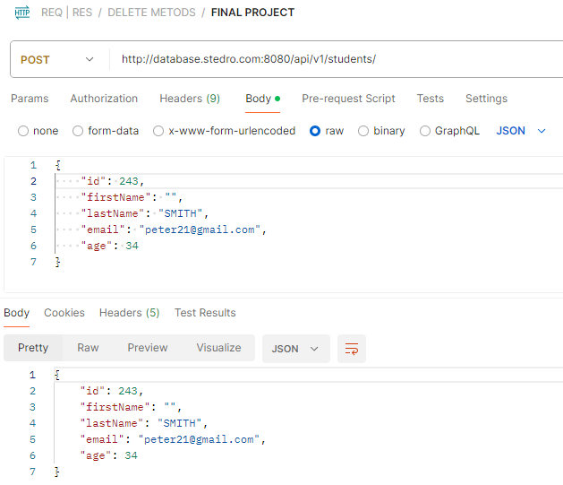

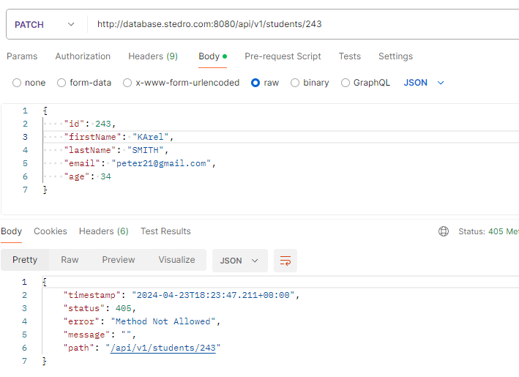
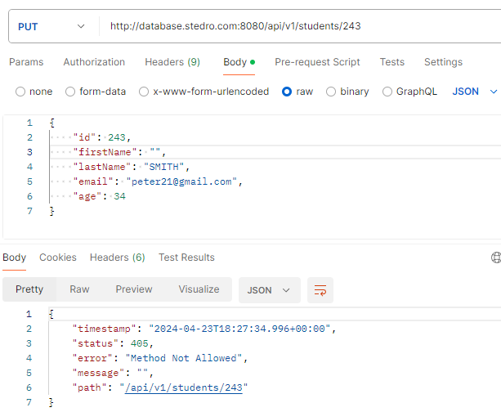

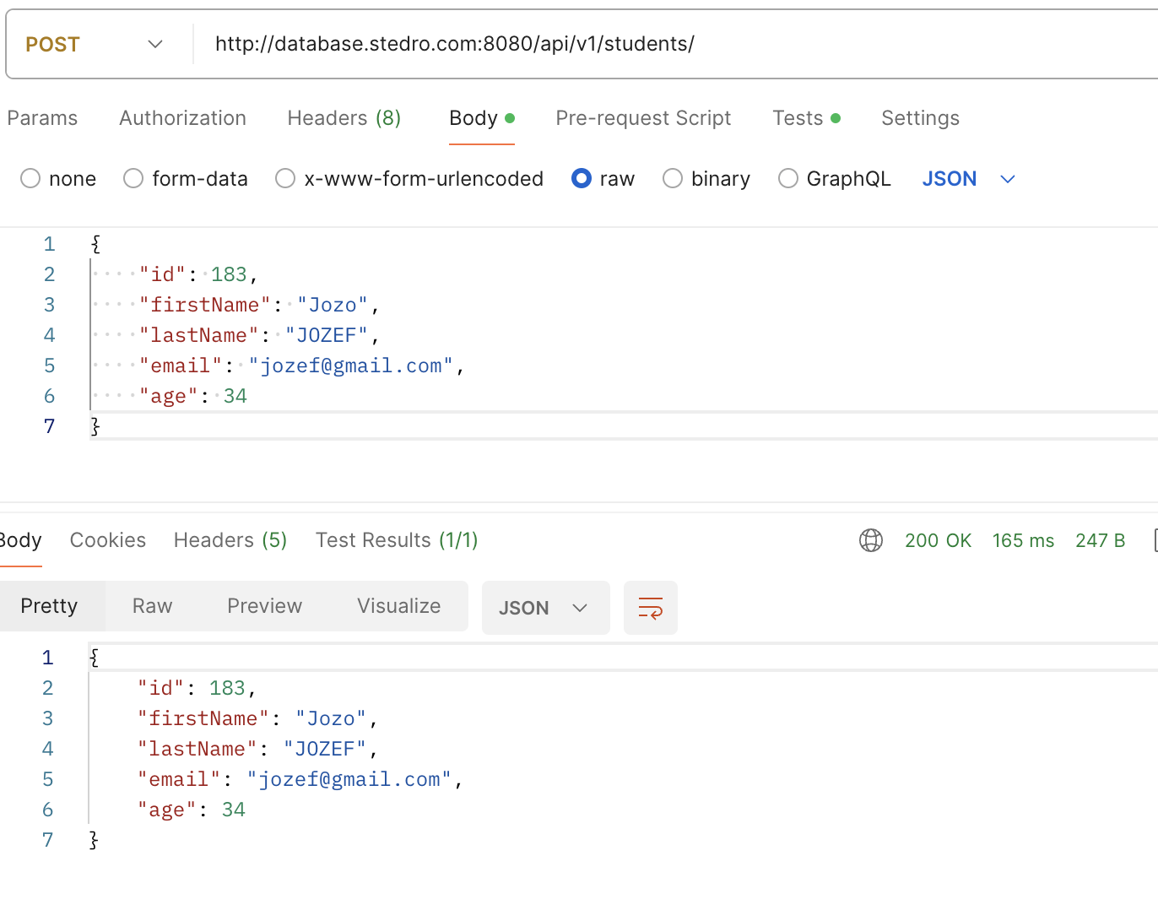

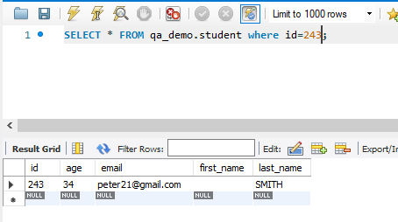
 |  |  |  |  |  |  |  | PUVODNÍ DATA: | NOVÁ DATA:

